Parameter Nomenclature
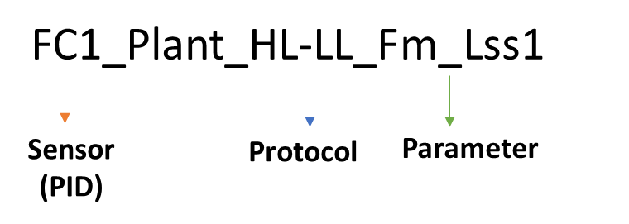
Sensor | Sensor description | Protocol | Protocol description | Parameter
FC1_Plant | Chlorophyll fluorescence imaging | HL-LL | Protocol measured in the morning_ Short Light Curve under 2 light levels; L1 Hight light and L2 Low light using FluorCam | See next sheet (Parameter description)
 |  | CL-ind | Protocol measured in the evening_ Induction curve (Ind) under continous light level (CL) using FluorCam
 |  | HL-ind | Protocol measured in the evening_ Induction curve (Ind) under high light level (HL) using FluorCam
 |  | ChlCont | Protocol measured in the morning_ Chlorophyll content (ChlCont) using FluorCam
SWIR_Plant | Hyperspectral imaging (Short-wave infrared)
SWIR_Plant |  | Spectrum
VNIR_Plant | Hyperspectral imaging (Visible near-infrared)
VNIR_Plant |  | Spectrum
IR1_Plant | Thermal IR imaging
IR1-Probes_Plant | Thermal IR imaging and Temp sensor inside the IR unit
RGB1_Plant | RGB imaging | Avg | Average (Avg) of multiple angles from RGB1-Side view
RGB2_Plant |  |  | RGB2-Top view
SC | Scales/Watering and weighting unit

ID of plant Nomenclature
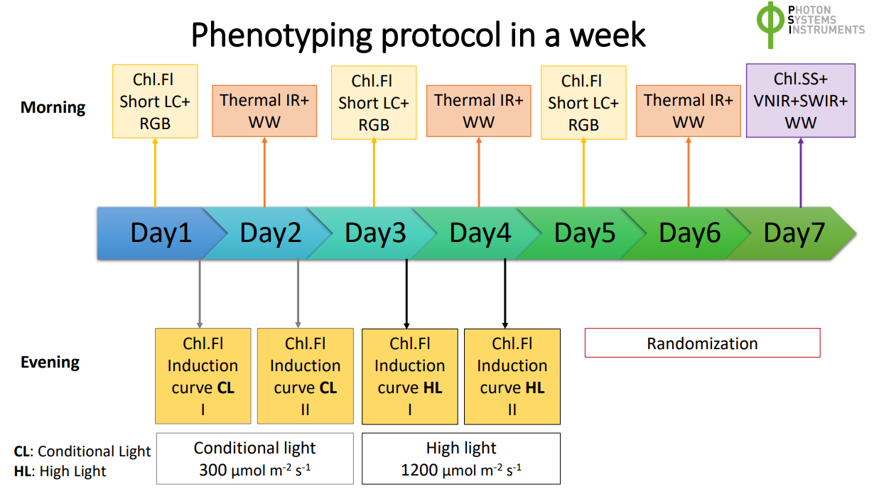
Date of Exp. |  | Exp. ID | Genotype | Pot Replicate | Plant Replicate per pot | Comment
2023 | Tier 3 |  | 10 | 18 or 40 | 1 | G5,6,9,10 have 40 replicates (20 per treatment) and G1,2,3,4,7,8 have 18 replications (9 per treatment) except G8_494_C_8 was removed due to infection
 |  |  |  |  |  | G7 and G8 were similar so it can be used as an internal control if needed or combine all
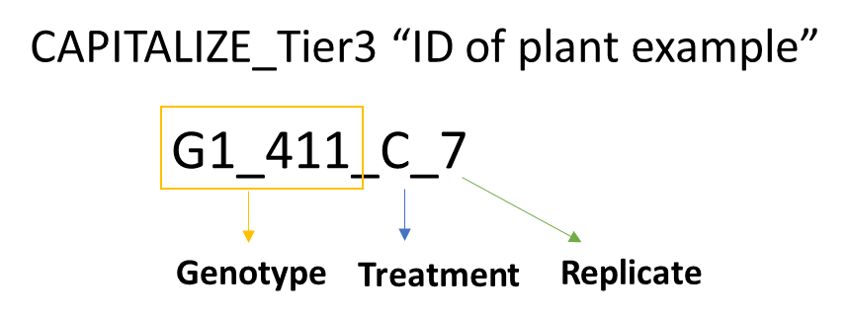

In FcCLind_final and FcHLind_final.csv we combined the 2 consecutive days of measurement in one DAT (Day after Transplant)

